Queries & Outputs
Key Questions and Objectives

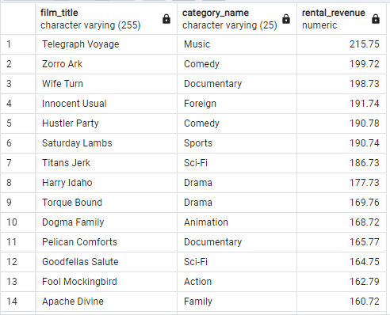
01. Which movies contributed most/least to revenue gain?

CREATE VIEW revenue_by_movies AS (
 | SELECT
 |  | A.title AS film_title,
 |  | name AS category_name,
 |  | SUM(F.amount) AS rental_revenue
 | FROM film AS A
 | JOIN film_category AS B ON A.film_id = B.film_id
 | JOIN category AS C ON B.category_id = C.category_id
 | JOIN inventory AS D ON A.film_id = D.film_id
 | JOIN rental AS E ON D.inventory_id = E.inventory_id
 | JOIN payment AS F ON E.rental_id = F.rental_id
 | GROUP BY film_title, category_name
 | ORDER BY rental_revenue DESC
)
SELECT
 | *
FROM revenue_by_movies

02. What was the average rental duration for all videos?

SELECT
 | ROUND(AVG(rental_duration)) AS average_rental_duration
FROM film

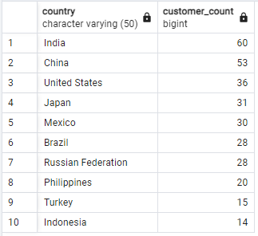
03. Which countries are Rockbuster customers based in?

SELECT
 | country,
 | COUNT(DISTINCT A.customer_id) AS customer_count
FROM customer AS A
JOIN address AS B ON A.address_id = B.address_id
JOIN city AS C ON B.city_id = C.city_id
JOIN country AS D ON C.country_id = D.country_id
GROUP BY country
ORDER BY customer_count DESC
LIMIT 10

04. Where are customers with high lifetime value based?

WITH cte_top_5_customers (customer_id, first_name, last_name, city, country, total_amount_paid) AS (
 | SELECT
 |  | A.customer_id,
 |  | B.first_name,
 |  | B.last_name,
 |  | D.city,
 |  | E.country,
 |  | SUM(A.amount) AS total_amount_paid
 | FROM payment AS A
 | JOIN customer AS B ON A.customer_id = B.customer_id
 | JOIN address AS C ON B.address_id = C.address_id
 | JOIN city AS D ON C.city_id = D.city_id
 | JOIN country AS E ON D.country_id = E.country_id
 | WHERE D.city IN (
 |  | SELECT
 |  |  | C.city
 |  | FROM customer as A
 |  | JOIN address AS B ON A.address_id = B.address_id
 |  | JOIN city AS C ON B.city_id = C.city_id
 |  | JOIN country AS D ON C.country_id = D.country_id
 |  | WHERE D.country IN (
 |  |  | SELECT
 |  |  |  | D.country
 |  |  | FROM customer as A
 |  |  | JOIN address AS B ON A.address_id = B.address_id
 |  |  | JOIN city AS C ON B.city_id = C.city_id
 |  |  | JOIN country AS D ON C.country_id = D.country_id
 |  |  | GROUP BY D.country
 |  |  | ORDER BY COUNT(A.*) DESC
 |  |  | LIMIT 10
 |  |  | )
 |  | GROUP BY D.country, C.city
 |  | ORDER BY COUNT(A.*) DESC
 |  | LIMIT 10
 |  | )
 | GROUP BY A.customer_id, B.first_name, B.last_name, D.city, E.country
 | ORDER BY total_amount_paid DESC
 | LIMIT 5
)
SELECT
 | *
FROM cte_top_5_customers

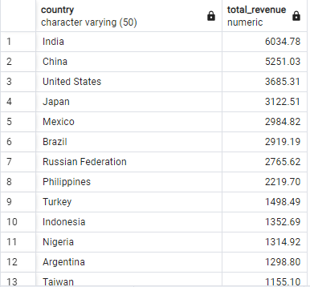
05. Do sales figures vary between geographic locations?

CREATE VIEW revenue_by_country AS (
 | SELECT
 |  | country,
 |  | SUM(E.amount) AS total_revenue
 | FROM customer AS A
 | JOIN address AS B ON A.address_id = B.address_id
 | JOIN city AS C ON B.city_id = C.city_id
 | JOIN country AS D ON C.country_id = D.country_id
 | JOIN payment AS E ON A.customer_id = E.customer_id
 | GROUP BY country
 | ORDER BY total_revenue DESC
)
SELECT
 | *
FROM revenue_by_country

Further Insights

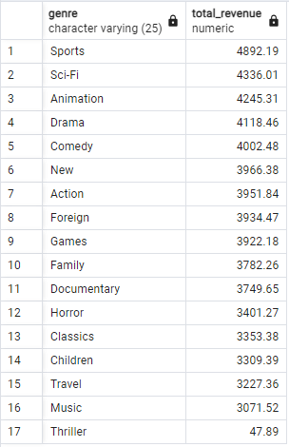
01. Which genres contributed most/least to revenue gain?

SELECT
 | A.name AS genre,
 | SUM(F.amount) AS total_revenue
FROM category AS A
JOIN film_category AS B ON A.category_id = B.category_id
JOIN film AS C ON B.film_id = C.film_id
JOIN inventory AS D ON C.film_id = D.film_id
JOIN rental AS E ON D.inventory_id = E.inventory_id
JOIN payment AS F ON E.rental_id = F.rental_id
GROUP BY genre
ORDER BY total_revenue DESC

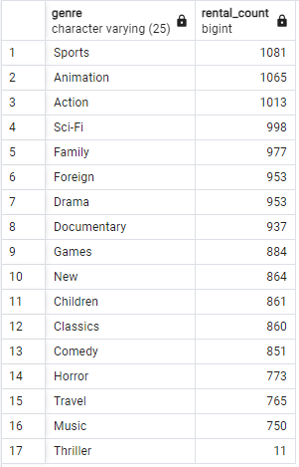
02. Do video rentals vary between different genres?

SELECT
 | A.name AS genre,
 | COUNT(F.rental_id) AS rental_count
FROM category AS A
JOIN film_category AS B ON A.category_id = B.category_id
JOIN film AS C ON B.film_id = C.film_id
JOIN inventory AS D ON C.film_id = D.film_id
JOIN rental AS E ON D.inventory_id = E.inventory_id
JOIN payment AS F ON E.rental_id = F.rental_id
GROUP BY genre
ORDER BY rental_count DESC

